Katalog_Visual
product_name | brand | variant | package_size | price | original_price | discount_percentage | stock_status | category | promo_type | promo_start_date | promo_end_date | promo_badge
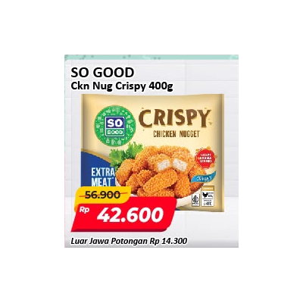 | SO GOOD Chicken Nugget Crispy 400 g | SO GOOD | Chicken Nugget Crispy | 400 g | 42600 | 56900 | 25.13 | Tersedia | Makanan Beku
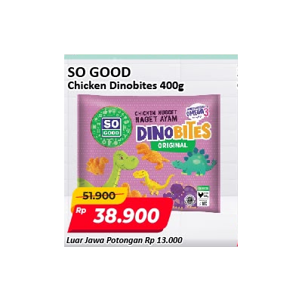 | SO GOOD Chicken Dinobites 400 g | SO GOOD | Chicken Dinobites | 400 g | Rp 38,900 | Rp 51,900 | 25.05% | Makanan Beku | PROMO JSM (3 HARI)
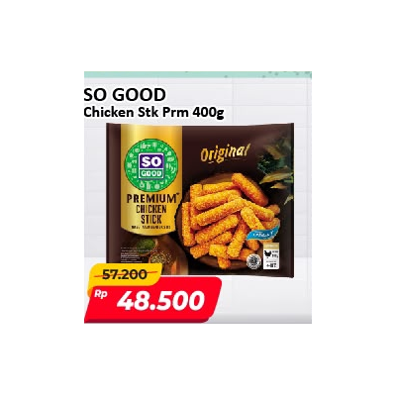 | SO GOOD Chicken Stick Premium 400 g | SO GOOD | Chicken Stick Premium | 400 g | 48500 | 57200 | 15.21 | Tersedia | Makanan Beku
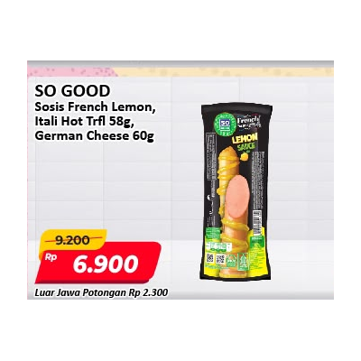 | SO GOOD Sosis French Lemon, Itali Hot Trfl 58g, German Cheese 60g | SO GOOD | French Lemon / Itali Hot Trfl / German Cheese | 58 g / 60 g | 6900 | 9200 | 25 | Tersedia | Makanan Beku
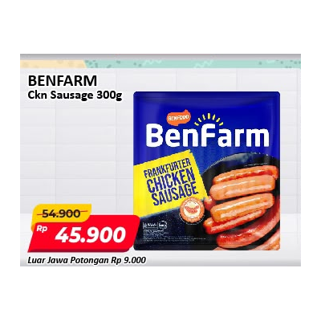 | BENFARM Chicken Sausage 300 g | BENFARM | Chicken Sausage | 300 g | 45900 | 54900 | 16.39 | Tersedia | Makanan Beku
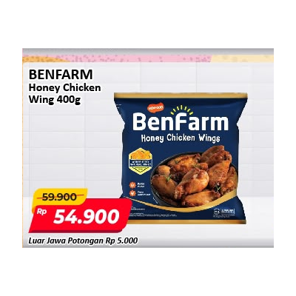 | BENFARM Honey Chicken Wing 400 g | BENFARM | Honey Chicken Wing | 400 g | 54900 | 59900 | 8.35 | Tersedia | Makanan Beku
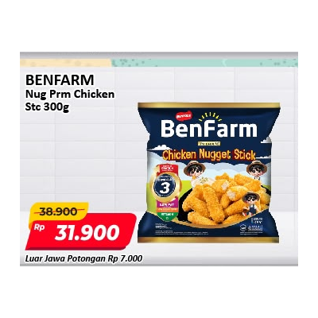 | BENFARM Nugget Premium Chicken Stick 300 g | BENFARM | Nugget Premium Chicken Stick | 300 g | 31900 | 38900 | 17.99 | Tersedia | Makanan Beku
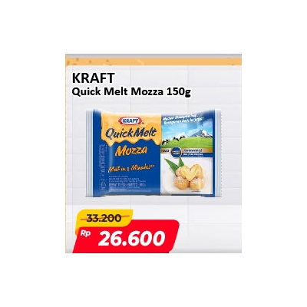 | KRAFT Quick Melt Mozza 150 g | KRAFT | Quick Melt Mozza | 150 g | 26600 | 33200 | 19.88 | Tersedia | Keju & Olahan Susu
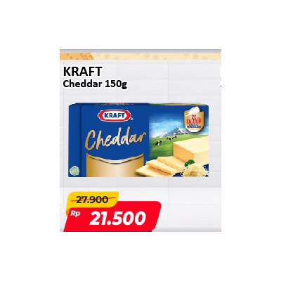 | KRAFT Cheddar 150 g | KRAFT | Cheddar | 150 g | 21500 | 27900 | 22.94 | Tersedia | Keju & Olahan Susu
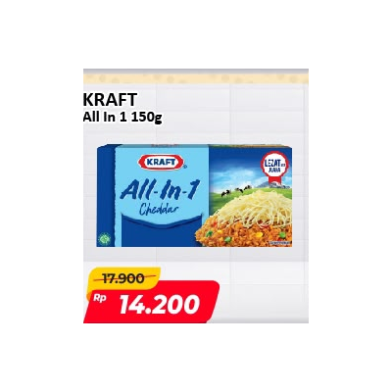 | KRAFT All In 1 150 g | KRAFT | All In 1 Cheddar | 150 g | 14200 | 17900 | 20.67 | Tersedia | Keju & Olahan Susu

